SCM KPI FY26 DASHBOARD
PIONEER SCM KPI FY26 DASHBOARD |  |  |  | NOV
 |  |  |  |  | Operational Objectives Dashboard
KPI | Budget/Target | Actual | Status

Conversion Cost (SC only) | ₱11.00 | ₱9.90 | ● |  | Production Reports
Conversion Cost (Overall) | ₱15.00 | ₱15.56 | ●
Volume Produced MT | 1,414.9 | 1,603.4 | ● |  | OUTPUT VS TARGET |  |  |  | MACHINE UTLIZATION |  |  | RMPM SAVINGS (M) |  |  | FORECAST ACCURACY
Fill Rate | 99% | 80.8% | ● |  | 1,569.3 |  | MT |  |  |  |  | 2,428.5 | Php |  | 41.6% |  | LOCAL
OTIF | 70% | NO VALUE | ● |  |  |  |  | 99.4% | 126.9% |  |  |  |  | 72.9% |  |  | 37.7%
Operational Cost | ₱16,210,988 | ₱15,879,974 | ● |  |  |  |  |  |  |  | 23.65 |  |  |  |  |  | EXPORT
Capital Expenditures | ₱1,966,800 | ₱2,033,330 | ● |  | 1,578.6 |  | MT |  |  |  | days | 3,333.3 | Php |  |  |  | 12.2%
Variance Analysis
Efficiency Ratio
Progress on Strategic Initiatives |  |  |  |  | PRODUCTIVE TIME |  |  |  | DOWNTIME |  |  | Inventory Accuracy |  |  | FORECAST ACCURACY
Risk Assessment |  |  |  |  |  |  |  |  |  |  |  | 98.7% |  | FG | EPOXY (MARINE + CONSTRUCTION) | 45.8%
Resource Allocation |  |  |  |  | 21.2% |  |  |  | #REF! |  |  |  |  |  | ELASTOSEAL | 77.0%
 |  |  |  |  |  |  |  | 23.65 |  |  | 23.65 | 98.7% |  | RMPM | MIGHTY BOND | 66.9%
Financial Trend FY26 |  |  |  |  |  |  |  | days |  |  | days |  |  |  | PRO-EPOXY | 64.8%
Conversion Cost
 | Conversion Cost (SC only) | Conversion Cost (Overall)
OCT | 10.93 | 18.58
NOV | 9.9 | 15.56
Fill Rate
 | Achievement (Value)
OCT | 0.7104564884
NOV | 0.98166348087
 |  |  |  |  |  |  |  |  |  |  |  | NO DATA |  | PROD | BUILDERS BOND | 48.1%
 |  |  |  |  |  |  |  |  |  |  |  |  |  |  | COATING MARINE | 41.6%
 |  |  |  |  | DOWNTIME BREAKDOWN |  |  |  | LABOR REPORTS |  |  |  |  |  | TRASPORTATION | 27.7%
 |  |  |  |  | Idle time |  |  | 0.6% | 36,117 | Reg hrs |  | Warehouse Utlization |  |  | OTHER CONSUMER | 0.7%
 |  |  |  |  | Change Over Time |  |  | 2.2% |  |  | 32.7% | 91.0% |  |  | PRO-SEALANT | 50.3%
 |  |  |  |  | Start-up Time/Setup |  |  | 2.1% |  |  |  |  |  | FG | PRO-WATERPROOFING | 53.6%
 |  |  |  |  | Breaktime |  |  | 1.9% | 11,807 | OT hrs |  |  |  |  | PRO-PAINTING | 69.7%
 |  |  |  |  | Sanitation Time |  |  | 1.0% |  |  |  | 126.0% |  |  | PRO-ADHESIVES | 20.6%
 |  |  |  |  | Meeting |  |  | 0.2% | LABOR REPORTS (Direct Labor) |  |  |  |  | RMPM | MINING | 15.8%
 |  |  |  |  | Breakdown |  |  | 0.0% | 29,807 | OT hrs |  |  |  |  | OTHERS | 0.0%
 |  |  |  |  | Testing Time |  |  | 1.0% |  |  | 33.8%
 |  |  |  |  | Preventive Maintenance |  |  | #REF! |  |  |  |  |  |  | FORECAST ACCURACY
 |  |  |  |  |  |  |  |  | 10,070 | Reg hrs |  |  |  |  | LOCAL PHILIPPINES | 37.7%
Operational Cost
 | Actual | Budget
OCT | 13498.89024 | 16189.431265
NOV | 15879.9742 | 16210.987829
Capital Expenditures
 | Actual | Budget
OCT | 2042.36 | 1946.8
NOV | 2033.33 | 1966.8
 |  |  |  |  | ABSENTEEISM |  |  |  |  |  |  |  |  |  | GMA | 37.5%
 |  |  |  |  | 12.1% |  |  | 23.65 | LABOR REPORTS (Indirect Labor) |  |  |  |  |  | NORTH LUZON | 49.5%
 |  |  |  |  |  |  |  | days | 6,310 | OT hrs |  |  |  |  | SOUTH LUZON | 39.3%
 |  |  |  |  |  |  | 183 |  |  |  | 27.5% |  |  |  | VISAYAS | 38.5%
 |  |  |  |  | 524 | Absences |  |  |  |  |  |  |  |  | MINDANAO | 30.0%
 |  |  |  |  |  |  | Manpower |  | 1,738 | Reg hrs |  |  |  |  | MODERN TRADE | 69.2%
 |  |  |  |  |  |  |  |  |  |  |  |  |  |  | PSBSI | 0.0%
 |  |  |  |  | ABSENTEEISM |  |  |  |  |  |  |  |  |  | EXPORT | 12.2%
 |  |  |  |  | L06 - EPOXY |  | 11.3% |  |  |  |  |  |  |  | INDONESIA | 31.9%
 |  |  |  |  | L04B - ELASTO |  | 15.1% |  |  |  |  |  |  |  | INDIA | 0.0%
 |  |  |  |  | L03 - CYANO TUBE |  | 29.6% |  |  |  |  |  |  |  | DIRECT EXPORT | 4.7%
 |  |  |  |  | L01 - COATINGS |  | 6.2%
 |  |  |  |  | L07 - EPOXY TUBE |  | 7.4%
 |  |  |  |  | LINE 9 - EPS |  | 16.9%
 |  |  |  |  | L10 - CONTACT BOND |  | 33.8%
 |  |  |  |  | GIP L11 - SILICONE |  | 6.3%
 |  |  |  |  | L12 - SPECIAL - EPOXY BASED |  | 11.5%
 |  |  |  |  | L13 - SPECIAL |  | 19.0%
 |  |  |  |  | LINE 14 |  | 6.8%
 |  |  |  |  | L02 - CYNO BOTTLE / L05- EPOXY CLAY |  | 2.1%
 |  |  |  |  | LABELING LINE |  | 16.3%

SCM - PLANNING
PIONEER
2026 KPI TRACKER
SC - PLANNING

 |  |  |  |  | Q1 | Q1 | Q1 | Q2 | Q2 | Q2 | Q3 | Q3 | Q3 | Q4 | Q4 | Q4
 |  | UoM |  | 2026 ABP | OCT | NOV | DEC | JAN | FEB | MAR | APR | MAY | JUN | JUL | AUG | SEP | 2026 YTD | Q1 | Q2 | Q3 | Q4
A. | COMPLIANCE TO SCHEDULE
 | COMPLIANCE
 | L06 - EPOXY | % | L06 |  |  |  |  |  |  |  |  |  |  |  |  |  | 0.00% | 0.00% | 0.00% | 0.00% | 0.00%
 | L04B - ELASTO | % | L04B |  |  |  |  |  |  |  |  |  |  |  |  |  | 0.00% | 0.00% | 0.00% | 0.00% | 0.00%
 | L03 - CYANO TUBE | % | GIP L03 |  |  |  |  |  |  |  |  |  |  |  |  |  | 0.00% | 0.00% | 0.00% | 0.00% | 0.00%
 | L01 - COATINGS | % | L01 |  |  |  |  |  |  |  |  |  |  |  |  |  | 0.00% | 0.00% | 0.00% | 0.00% | 0.00%
 | L07 - EPOXY TUBE | % | GIP L07 |  |  |  |  |  |  |  |  |  |  |  |  |  | 0.00% | 0.00% | 0.00% | 0.00% | 0.00%
 | LINE 9 - EPS | % | EPS |  |  |  |  |  |  |  |  |  |  |  |  |  | 0.00% | 0.00% | 0.00% | 0.00% | 0.00%
 | L10 - CONTACT BOND | % | L10 |  |  |  |  |  |  |  |  |  |  |  |  |  | 0.00% | 0.00% | 0.00% | 0.00% | 0.00%
 | L11 - SILICONE | % | GIP L11 |  |  |  |  |  |  |  |  |  |  |  |  |  | 0.00% | 0.00% | 0.00% | 0.00% | 0.00%
 | L12 - SPECIAL - EPOXY BASED | % | L12 |  |  |  |  |  |  |  |  |  |  |  |  |  | 0.00% | 0.00% | 0.00% | 0.00% | 0.00%
 | L13 - SPECIAL | % | L13 |  |  |  |  |  |  |  |  |  |  |  |  |  | 0.00% | 0.00% | 0.00% | 0.00% | 0.00%
 | LINE 14 | % | L14 |  |  |  |  |  |  |  |  |  |  |  |  |  | 0.00% | 0.00% | 0.00% | 0.00% | 0.00%
 | L05 - EPOXY CLAY | % | GIP L05 |  |  |  |  |  |  |  |  |  |  |  |  |  | 0.00% | 0.00% | 0.00% | 0.00% | 0.00%
 | L02 - CYNO BOTTLE | % | L02 |  |  |  |  |  |  |  |  |  |  |  |  |  | 0.00% | 0.00% | 0.00% | 0.00% | 0.00%
 | COMPLIANCE TO SCHEDULE | % |  |  |  |  |  |  |  |  |  |  |  |  |  |  | 0.00% | 0.00% | 0.00% | 0.00% | 0.00%

 | 107
 | 108
B. | DIO (based on P&L COGS)
 | DIO
 | FG - Consignment | DAYS |  | 1.00 |  |  |  |  |  |  |  |  |  |  |  |  | - | - | - | - | -
 | FG | DAYS |  | 25.00 |  |  |  |  |  |  |  |  |  |  |  |  | - | - | - | - | -
 | SFG | DAYS |  | 1.00 |  |  |  |  |  |  |  |  |  |  |  |  | - | - | - | - | -
 | BM | DAYS |  | 1.00 |  |  |  |  |  |  |  |  |  |  |  |  | - | - | - | - | -
 | RM | DAYS |  | 34.00 |  |  |  |  |  |  |  |  |  |  |  |  | - | - | - | - | -
 | PM | DAYS |  | 8.00 |  |  |  |  |  |  |  |  |  |  |  |  | - | - | - | - | -

 | DIO-SOH | DAYS |  | 69.00 |  |  |  |  |  |  |  |  |  |  |  |  | - | - | - | - | -

 | TOTAL-OTHERS | DAYS |  | - |  |  |  |  |  |  |  |  |  |  |  |  | - | - | - | - | -

 | FG In-transit | DAYS |  | 1.00 |  |  |  |  |  |  |  |  |  |  |  |  | - | - | - | - | -
 | RM In-transit | DAYS |  | 7.00 |  |  |  |  |  |  |  |  |  |  |  |  | - | - | - | - | -
 | TOTAL IN-TRANSIT | DAYS |  | 8.00 |  |  |  |  |  |  |  |  |  |  |  |  | - | - | - | - | -

 | TOTAL INVENTORY | DAYS |  | 77.00 | 107 | 108 |  |  |  |  |  |  |  |  |  |  | - | 107.50 | - | - | -

C. | DIO-SOH (net of consignment & SLOB Provisions)
 | DIO-SOH
 | FG | DAYS |  |  |  |  |  |  |  |  |  |  |  |  |  |  | - | - | - | - | -
 | SFG | DAYS |  |  |  |  |  |  |  |  |  |  |  |  |  |  | - | - | - | - | -
 | BM | DAYS |  |  |  |  |  |  |  |  |  |  |  |  |  |  | - | - | - | - | -
 | RM | DAYS |  |  |  |  |  |  |  |  |  |  |  |  |  |  | - | - | - | - | -
 | PM | DAYS |  |  |  |  |  |  |  |  |  |  |  |  |  |  | - | - | - | - | -

D. | SAFETY STOCKS MONITORING FG
 | INVENTORY SAFETY STOCKS FG
 | Class A | DAYS |  |  |  |  |  |  |  |  |  |  |  |  |  |  | - | - | - | - | -
 | Class B | DAYS |  |  |  |  |  |  |  |  |  |  |  |  |  |  | - | - | - | - | -
 | Class C | DAYS |  |  |  |  |  |  |  |  |  |  |  |  |  |  | - | - | - | - | -
 | ALL IN | DAYS |  |  |  |  |  |  |  |  |  |  |  |  |  |  | - | - | - | - | -
 | Grand total | DAYS |  |  |  |  |  |  |  |  |  |  |  |  |  |  | - | - | - | - | -

E. | SAFETY STOCKS MONITORING RM
 | INVENTORY SAFETY STOCKS RM
 | Class A | DAYS |  |  |  |  |  |  |  |  |  |  |  |  |  |  | - | - | - | - | -
 | Class B | DAYS |  |  |  |  |  |  |  |  |  |  |  |  |  |  | - | - | - | - | -
 | Class C | DAYS |  |  |  |  |  |  |  |  |  |  |  |  |  |  | - | - | - | - | -
 | Grand total | DAYS |  |  | - | - | - | - | - | - | - | - | - | - | - |  | - | - | - | - | -

F. | SAFETY STOCKS MONITORING PM
 | INVENTORY SAFETY STOCKS PM
 | CORE | DAYS |  |  | 48 | 59 | 74 | 102 | 78 | 60 |  |  |  |  |  |  | 421.00 | 181.00 | 240.00 | - | -
 | M7 | DAYS |  |  | 36 | 62 | 69 | 28 | 15 | 16 |  |  |  |  |  |  | 226.00 | 167.00 | 59.00 | - | -
 | OTHERS | DAYS |  |  | 136 | 113 | 86 | 106 | 67 | 73 |  |  |  |  |  |  | 581.00 | 335.00 | 246.00 | - | -
 | Grand total | DAYS |  |  | 220 | 234 | 229 | 236 | 160 | 149 | - | - | - | - | - |  | 1,228.00 | 683.00 | 545.00 | - | -

G. | INVENTORY
 | FG Inventory Distribution
 | Fast Moving (GOOD) Class A&B | kgs |  |  |  |  |  |  |  |  |  |  |  |  |  |  | - | - | - | - | -
 | Fast Moving (NTE) Class A&B | kgs |  |  |  |  |  |  |  |  |  |  |  |  |  |  | - | - | - | - | -
 | Slow Moving /NTE Class C | kgs |  |  |  |  |  |  |  |  |  |  |  |  |  |  | - | - | - | - | -
 | No Movement Class C | kgs |  |  |  |  |  |  |  |  |  |  |  |  |  |  | - | - | - | - | -
 | Expired Stocks | kgs |  |  |  |  |  |  |  |  |  |  |  |  |  |  | - | - | - | - | -
 | Total Inventory | kgs |  |  | - | - | - | - | - | - | - | - | - | - | - | - | - | - | - | - | -
 | No. of Inventory days | day/s |  |  |  |  |  |  |  |  |  |  |  |  |  |  | - | - | - | - | -

H. | INVENTORY
 | FG Inventory Distribution
 | Fast Moving (GOOD) Class A&B | PHP |  |  |  |  |  |  |  |  |  |  |  |  |  |  | - | - | - | - | -
 | Fast Moving (NTE) Class A&B | PHP |  |  |  |  |  |  |  |  |  |  |  |  |  |  | - | - | - | - | -
 | Slow Moving /NTE Class C | PHP |  |  |  |  |  |  |  |  |  |  |  |  |  |  | - | - | - | - | -
 | No Movement Class C | PHP |  |  |  |  |  |  |  |  |  |  |  |  |  |  | - | - | - | - | -
 | Expired Stocks | PHP |  |  |  |  |  |  |  |  |  |  |  |  |  |  | - | - | - | - | -
 | Total Inventory | PHP |  |  | - | - | - | - | - | - | - | - | - | - | - | - | - | - | - | - | -
 | No. of Inventory days | day/s |  |  | - | - | - | - | - | - | - | - |  |  |  |  | - | - | - | - | -

I. | INVENTORY
 | RM/PM Inventory Distribution
 | Fast Moving (GOOD) Class A&B | kgs |  |  |  |  |  |  |  |  |  |  |  |  |  |  | - | - | - | - | -
 | Fast Moving (NTE) Class A&B | kgs |  |  |  |  |  |  |  |  |  |  |  |  |  |  | - | - | - | - | -
 | Slow Moving /NTE Class C | kgs |  |  |  |  |  |  |  |  |  |  |  |  |  |  | - | - | - | - | -
 | No Movement Class C | kgs |  |  |  |  |  |  |  |  |  |  |  |  |  |  | - | - | - | - | -
 | Expired Stocks | kgs |  |  |  |  |  |  |  |  |  |  |  |  |  |  | - | - | - | - | -
 | Total Inventory | kgs |  |  | - | - | - | - | - | - | - | - | - | - | - | - | - | - | - | - | -
 | No. of Inventory days | day/s |  |  |  |  |  |  |  |  |  |  |  |  |  |  | - | - | - | - | -

J. | INVENTORY
 | RM/PM Inventory Distribution
 | Fast Moving (GOOD) Class A&B | PHP |  |  |  |  |  |  |  |  |  |  |  |  |  |  | - | - | - | - | -
 | Fast Moving (NTE) Class A&B | PHP |  |  |  |  |  |  |  |  |  |  |  |  |  |  | - | - | - | - | -
 | Slow Moving /NTE Class C | PHP |  |  |  |  |  |  |  |  |  |  |  |  |  |  | - | - | - | - | -
 | No Movement Class C | PHP |  |  |  |  |  |  |  |  |  |  |  |  |  |  | - | - | - | - | -
 | Expired Stocks | PHP |  |  |  |  |  |  |  |  |  |  |  |  |  |  | - | - | - | - | -
 | Total Inventory | PHP |  |  | - | - | - | - | - | - | - | - | - | - | - | - | - | - | - | - | -
 | No. of Inventory days | day/s |  |  |  |  |  |  |  |  |  |  |  |  |  |  | - | - | - | - | -

K. | INVENTORY ACCURACY
 | Finished Good Inventory Accuracy
 | Total Count | count |  |  | 253.00 | 151.00 | - | - |  |  |  |  |  |  |  |  | 404.00 | 404.00 | - | - | -
 | Total Missed | count |  |  | 251.00 | 2.00 | - | - |  |  |  |  |  |  |  |  | 253.00 | 253.00 | - | - | -
 | INVENTORY ACCURACY | % |  |  | 0.79% | 98.68% | 0.00% | 0.00% | 0.00% | 0.00% | 0.00% | 0.00% | 0.00% | 0.00% | 0.00% | 0.00% | 37.38% | 37.38% | 0.00% | 0.00% | 0.00%

L. | INVENTORY ACCURACY
 | RM/PM Inventory Accuracy
 | Total Count | count |  |  | 504 | 78 | 79 | 84 |  |  |  |  |  |  |  |  | 745.00 | 661.00 | 84.00 | - | -
 | Total Missed | count |  |  | 251 | 1 | 1 | 2 |  |  |  |  |  |  |  |  | 255.00 | 253.00 | 2.00 | - | -
 | INVENTORY ACCURACY | % |  |  | 50.20% | 98.72% | 98.73% | 97.62% | 0.00% | 0.00% | 0.00% | 0.00% | 0.00% | 0.00% | 0.00% | 0.00% | 65.77% | 61.72% | 97.62% | 0.00% | 0.00%

M. | MANPOWER PLAN
 | Headcount
 | Regular | count |  |  |  |  |  |  |  |  |  |  |  |  |  |  | -
 | Agency | count |  |  |  |  |  |  |  |  |  |  |  |  |  |  | -
 | TOTAL HEADCOUNT | count |  | - | - | - | - | - | - | - | - | - | - | - | - | - | - | - | - | - | -

 | Resigned Employee | count |  |  |  |  |  |  |  |  |  |  |  |  |  |  | -
 | Attrition Rate | % |  |  | 0.00% | 0.00% | 0.00% | 0.00% | 0.00% | 0.00% | 0.00% | 0.00% | 0.00% | 0.00% | 0.00% | 0.00% | 0.00% | - | - | - | -

 | Manhours
 | Regular | HRS |  |  |  |  |  |  |  |  |  |  |  |  |  |  | - | - | - | - | -
 | Agency | HRS |  |  |  |  |  |  |  |  |  |  |  |  |  |  | - | - | - | - | -
 | TOTAL MANHOURS | HRS |  | - | - | - | - | - | - | - | - | - | - | - | - | - | - | - | - | - | -

 | Overtime Hours | HRS |  |  |  |  |  |  |  |  |  |  |  |  |  |  | - | - | - | - | -
 | Overtime Rate | % |  | 0.00% | 0.00% | 0.00% | 0.00% | 0.00% | 0.00% | 0.00% | 0.00% | 0.00% | 0.00% | 0.00% | 0.00% | 0.00% | 0.00% | - | - | - | -

 | Absences
 | # of Absences | count |  |  |  |  |  |  |  |  |  |  |  |  |  |  | - | - | - | - | -
 | # of Required working days | count |  |  |  |  |  |  |  |  |  |  |  |  |  |  | - | - | - | - | -
 | Absenteeism Rate | % |  | 0.00% | - | - | - | - | - | - | - | - | - | - | - | - | - | - | - | - | -

N. | FORECAST ACCURACY
 | LOCAL PHILIPPINES | % |  |  | 3.09% | 37.71% | 31.69% |  |  |  |  |  |  |  |  |  | 24.16% | 24.16% | 0.00% | 0.00% | 0.00%
 | GMA | % |  |  | 0.00% | 37.47% | 0.00% |  |  |  |  |  |  |  |  |  | 12.49% | 12.49% | 0.00% | 0.00% | 0.00%
 | NORTH LUZON | % |  |  | 0.00% | 49.53% | 43.15% |  |  |  |  |  |  |  |  |  | 30.89% | 30.89% | 0.00% | 0.00% | 0.00%
 | SOUTH LUZON | % |  |  | 9.56% | 39.31% | 41.63% |  |  |  |  |  |  |  |  |  | 30.17% | 30.17% | 0.00% | 0.00% | 0.00%
 | VISAYAS | % |  |  | 0.00% | 38.48% | 31.18% |  |  |  |  |  |  |  |  |  | 23.22% | 23.22% | 0.00% | 0.00% | 0.00%
 | MINDANAO | % |  |  | 0.00% | 29.97% | 30.29% |  |  |  |  |  |  |  |  |  | 20.09% | 20.09% | 0.00% | 0.00% | 0.00%
 | MODERN TRADE | % |  |  | 0.00% | 69.22% | 75.55% |  |  |  |  |  |  |  |  |  | 48.26% | 48.26% | 0.00% | 0.00% | 0.00%
 | PSBSI | % |  |  | 12.03% | 0.00% | 0.00% |  |  |  |  |  |  |  |  |  | 4.01% | 4.01% | 0.00% | 0.00% | 0.00%
 | EXPORT | % |  |  | 13.42% | 12.20% | 0.00% |  |  |  |  |  |  |  |  |  | 8.54% | 8.54% | 0.00% | 0.00% | 0.00%
 | INDONESIA | % |  |  | 0.00% | 31.87% | 0.00% |  |  |  |  |  |  |  |  |  | 10.62% | 10.62% | 0.00% | 0.00% | 0.00%
 | INDIA | % |  |  | 0.00% | 0.00% | 0.00% |  |  |  |  |  |  |  |  |  | 0.00% | 0.00% | 0.00% | 0.00% | 0.00%
 | DIRECT EXPORT | % |  |  | 40.25% | 4.71% | 0.00% |  |  |  |  |  |  |  |  |  | 14.99% | 14.99% | 0.00% | 0.00% | 0.00%
 | OVERALL FORECAST ACCURACY | % |  |  | 8.25% | 24.95% | 15.84% |  |  |  |  |  |  |  |  |  | 16.35% | 16.35% | 0.00% | 0.00% | 16.35%

O. | FORECAST ACCURACY
 | EPOXY (MARINE + CONSTRUCTION) | % |  |  | 0.00% | 45.77% | 43.53% |  |  |  |  |  |  |  |  |  | 29.77% | 29.77% | 0.00% | 0.00% | 0.00%
 | ELASTOSEAL | % |  |  | 34.92% | 76.97% | 81.59% |  |  |  |  |  |  |  |  |  | 64.49% | 64.49% | 0.00% | 0.00% | 0.00%
 | MIGHTY BOND | % |  |  | 0.00% | 66.92% | 64.89% |  |  |  |  |  |  |  |  |  | 43.94% | 43.94% | 0.00% | 0.00% | 0.00%
 | PRO-EPOXY | % |  |  | 0.00% | 64.81% | 61.58% |  |  |  |  |  |  |  |  |  | 42.13% | 42.13% | 0.00% | 0.00% | 0.00%
 | BUILDERS BOND | % |  |  | 19.48% | 48.10% | 52.71% |  |  |  |  |  |  |  |  |  | 40.10% | 40.10% | 0.00% | 0.00% | 0.00%
 | COATING MARINE | % |  |  | 0.00% | 41.57% | 64.29% |  |  |  |  |  |  |  |  |  | 35.29% | 35.29% | 0.00% | 0.00% | 0.00%
 | TRASPORTATION | % |  |  | 0.00% | 27.66% | 0.00% |  |  |  |  |  |  |  |  |  | 9.22% | 9.22% | 0.00% | 0.00% | 0.00%
 | OTHER CONSUMER | % |  |  | 38.75% | 0.65% | 0.00% |  |  |  |  |  |  |  |  |  | 13.13% | 13.13% | 0.00% | 0.00% | 0.00%
 | PRO-SEALANT | % |  |  | 0.00% | 50.32% | 48.70% |  |  |  |  |  |  |  |  |  | 33.01% | 33.01% | 0.00% | 0.00% | 0.00%
 | PRO-WATERPROOFING | % |  |  | 0.00% | 53.57% | 0.00% |  |  |  |  |  |  |  |  |  | 17.86% | 17.86% | 0.00% | 0.00% | 0.00%
 | PRO-PAINTING | % |  |  | 0.00% | 69.71% | 52.00% |  |  |  |  |  |  |  |  |  | 40.57% | 40.57% | 0.00% | 0.00% | 0.00%
 | PRO-ADHESIVES | % |  |  | 0.00% | 20.56% | 32.21% |  |  |  |  |  |  |  |  |  | 17.59% | 17.59% | 0.00% | 0.00% | 0.00%
 | MINING | % |  |  | 46.75% | 15.82% | 84.56% |  |  |  |  |  |  |  |  |  | 49.04% | 49.04% | 0.00% | 0.00% | 0.00%
 | OTHERS | % |  |  | 0.00% | 0.00% | 0.00% |  |  |  |  |  |  |  |  |  | 0.00% | 0.00% | 0.00% | 0.00% | 0.00%
 | OVERALL FORECAST ACCURACY | % |  |  | 9.99% | 41.60% | 41.86% |  |  |  |  |  |  |  |  |  | 31.15% | 31.15% | 0.00% | 0.00% | 0.00%

WHSE & LOGS
PIONEER
2026 KPI TRACKER
SC - LOGISTICS

 |  |  |  | Q1 | Q1 | Q1 | Q2 | Q2 | Q2 | Q3 | Q3 | Q3 | Q4 | Q4 | Q4
 |  | UoM | 2026 ABP | OCT | NOV | DEC | JAN | FEB | MAR | APR | MAY | JUN | JUL | AUG | SEP | 2026 YTD | Q1 | Q2 | Q3 | Q4

A. | OTIF PER PESO VALUE
 | Served per Line item | count |  |  |  |  |  |  |  |  |  |  |  |  | - | - | - | - | - | -
 | Total per Line Item | count |  |  |  |  |  |  |  |  |  |  |  |  | - | - | - | - | - | -
 | OTIF RATE | % | 98% | 0.00% | 0.00% | 0.00% | 0.00% | 0.00% | 0.00% | 0.00% | 0.00% | 0.00% | 0.00% | 0.00% | 0.00% | 0.00% | 0.00% | 0.00% | 0.00% | 0.00%

B. | Volume Fill Rate (Corporate Fillrate)
 | Actual Delivered | PHP |  | PHP 111,890,730 | PHP 145,365,109 | PHP 249,798,067 | PHP 260,557,368 |  |  |  |  |  |  |  |  | PHP 767,611,273 | 507,053,905 | 260,557,368 | - | -
 | Actual Orders | PHP |  | PHP 252,093,285 | PHP 405,455,275 | PHP 302,750,877 | PHP 295,860,615 |  |  |  |  |  |  |  |  | PHP 1,256,160,052 | 960,299,437 | 295,860,615 | - | -
 | Hit Rate | % | 100% | 44.38% | 35.85% | 82.51% | 88.07% | 0.00% | 0.00% | 0.00% | 0.00% | 0.00% | 0.00% | 0.00% | 0.00% | 61.11% | 52.80% | 88.07% | 0.00% | 0.00%

C. | Value Fill Rate (SC Fillrate)
 | Actual Delivered (SI) million | PHP |  | PHP 111,890,730 | PHP 145,365,109 | PHP 249,798,067 | PHP 260,557,368 |  |  |  |  |  |  |  |  | PHP 767,611,273 | PHP 507,053,905 | PHP 260,557,368 | PHP 0 | PHP 0
 | Actual Orders million | PHP |  | PHP 186,864,585 | PHP 179,976,964 | PHP 283,934,366 | PHP 263,346,205 |  |  |  |  |  |  |  |  | PHP 914,122,120 | PHP 650,775,915 | PHP 263,346,205 | PHP 0 | PHP 0
 | Budget | PHP
 | Hit Rate | % | 100% | 59.88% | 80.77% | 87.98% | 98.94% | 0.00% | 0.00% | 0.00% | 0.00% | 0.00% | 0.00% | 0.00% | 0.00% | 83.97% | 77.92% | 98.94% | 0.00% | 0.00%

G. | OTDL
 | GMA | days |  | 10.83 | 2.03 | 2.75 | 2.05 |  |  |  |  |  |  |  |  | 17.67 | 15.62 | 2.05 | - | -
 | NORTH LUZON | days |  | 20.67 | 6.65 | 6.65 | 10.46 |  |  |  |  |  |  |  |  | 44.43 | 33.97 | 10.46 | - | -
 | SOUTH LUZON | days |  | 16.85 | 5.78 | 5.78 | 9.12 |  |  |  |  |  |  |  |  | 37.52 | 28.40 | 9.12 | - | -
 | CENTRAL LUZOM | days |  |  |  |  |  |  |  |  |  |  |  |  |  | - | - | - | - | -
 | VISAYAS | days |  | 26.80 |  |  |  |  |  |  |  |  |  |  |  | 26.80 | 26.80 | - | - | -
 | MINDANAO | days |  | 26.54 | 13.09 | 13.33 | 18.00 |  |  |  |  |  |  |  |  | 70.96 | 52.96 | 18.00 | - | -
 | MODERN TRADE | days |  | 8.88 | 4.88 | 6.90 | 1.64 |  |  |  |  |  |  |  |  | 22.29 | 20.65 | 1.64 | - | -
 | PAI OTDL | days |  |  |  |  |  |  |  |  |  |  |  |  |  | - | - | - | - | -
 | OTDL RATE | % |  | 0.00% | 0.00% | 0.00% | 0.00% | 0.00% | 0.00% | 0.00% | 0.00% | 0.00% | 0.00% | 0.00% | 0.00% | 0.00% | 0.00% | 0.00% | 0.00% | 0.00%

I. | FREIGHT COST - PER KILO
 | GMA | PHP |  |  |  |  |  |  |  |  |  |  |  |  |  | - | - | - | - | -
 | NORTH LUZON | PHP |  |  |  |  |  |  |  |  |  |  |  |  |  | - | - | - | - | -
 | SOUTH LUZON | PHP |  |  |  |  |  |  |  |  |  |  |  |  |  | - | - | - | - | -
 | CENTRAL LUZON | PHP |  |  |  |  |  |  |  |  |  |  |  |  |  | - | - | - | - | -
 | VISAYAS | PHP |  |  |  |  |  |  |  |  |  |  |  |  |  | - | - | - | - | -
 | MINDANAO | PHP |  |  |  |  |  |  |  |  |  |  |  |  |  | - | - | - | - | -
 | MODERN TRADE | PHP |  |  |  |  |  |  |  |  |  |  |  |  |  | - | - | - | - | -
 | FREIGHT COST | PHP |  |  |  |  |  |  |  |  |  |  |  |  |  | -

L. | WAREHOUSE UTILIZATION
 | RM/PM
 | Pallet Position | counts |  | 4,715.00 | 2,949.00 |  |  |  |  |  |  |  |  |  |  | 3,832.00 | 7,664.00 | - | - | -
 | Pallet Position (Actual) | counts |  | 4,702.00 | 3,717.00 |  |  |  |  |  |  |  |  |  |  | 4,209.50 | 8,419.00 | - | - | -
 | Utilization % | % |  | 99.72% | 126.04% | 0.00% | 0.00% | 0.00% | 0.00% | 0.00% | 0.00% | 0.00% | 0.00% | 0.00% | 0.00% | 109.85% | 109.85% | 0.00% | 0.00% | 0.00%

M. | WAREHOUSE UTILIZATION
 | FG
 | Pallet Position | counts |  | 2,836.00 | 2,836.00 | 3,136.00 | 3,136.00 |  |  |  |  |  |  |  |  | 2,986.00 | 8,808.00 | 3,136.00 | - | -
 | Pallet Position (Actual) | counts |  | 2,240.00 | 2,580.00 | 2,382.00 | 2,205.00 |  |  |  |  |  |  |  |  | 2,351.75 | 7,202.00 | 2,205.00 | - | -
 | Utilization % | % |  | 78.98% | 90.97% | 75.96% | 70.31% | 0.00% | 0.00% | 0.00% | 0.00% | 0.00% | 0.00% | 0.00% | 0.00% | 78.76% | 81.77% | 70.31% | 0.00% | 0.00%

U. | MANPOWER PLAN
 | Headcount
 | Regular | count |  |  |  |  |  |  |  |  |  |  |  |  |  | -
 | Agency | count |  |  |  |  |  |  |  |  |  |  |  |  |  | -
 | TOTAL HEADCOUNT | count | - | - | - | - | - | - | - | - | - | - | - | - | - | - | - | - | - | -

 | Resigned Employee | count |  |  |  |  |  |  |  |  |  |  |  |  |  | -
 | Attrition Rate | % |  | 0.00% | 0.00% | 0.00% | 0.00% | 0.00% | 0.00% | 0.00% | 0.00% | 0.00% | 0.00% | 0.00% | 0.00% | 0.00% | - | - | - | -

 | Manhours
 | Regular | HRS |  |  |  |  |  |  |  |  |  |  |  |  |  | - | - | - | - | -
 | Agency | HRS |  |  |  |  |  |  |  |  |  |  |  |  |  | - | - | - | - | -
 | TOTAL MANHOURS | HRS | - | - | - | - | - | - | - | - | - | - | - | - | - | - | - | - | - | -

 | Overtime Hours | HRS |  |  |  |  |  |  |  |  |  |  |  |  |  | - | - | - | - | -
 | Overtime Rate | % | 0.00% | 0.00% | 0.00% | 0.00% | 0.00% | 0.00% | 0.00% | 0.00% | 0.00% | 0.00% | 0.00% | 0.00% | 0.00% | 0.00% | - | - | - | -

 | Absences
 | # of Absences | count |  |  |  |  |  |  |  |  |  |  |  |  |  | - | - | - | - | -
 | # of Required working days | count |  |  |  |  |  |  |  |  |  |  |  |  |  | - | - | - | - | -
 | Absenteeism Rate | % | 0.00% | - | - | - | - | - | - | - | - | - | - | - | - | - | - | - | - | -

Sheet1
CONVERSION COST
 | OCT | NOV |  | OCT | NOV
Conversion Cost (SC only) | 10.93 | 9.9 | Change Over Time | 2.6% | 2.7%
Conversion Cost (Overall) | 18.58 | 15.56 | Meeting | 0.5% | 0.2%
Conversion Cost
 | Conversion Cost (SC only) | Conversion Cost (Overall)
OCT | 10.93 | 18.58
NOV | 9.9 | 15.56
 |  |  | Sanitation Time | 1.2% | 0.7%
 |  |  | Start-up Time/Setup | 2.6% | 1.6%
 |  |  | Testing Time | 0.9% | 0.1%
 |  |  | Breaktime | 1.7% | 1.2%
 |  |  | Breakdown | 0.6% | 0.1%
 |  |  | Idle time | 8.8% | 4.8%
 |  |  | Preventive Maintenance | 0.0% | 0.0%

FILL RATE
 | OCT | NOV
Achievement (Value) | 71.0% | 98.2%
Fill Rate
 | Achievement (Value)
OCT | 0.7104564884
NOV | 0.98166348087

Capital Expenditures
 | OCT | NOV
Actual | 2042.36 | 2033.33
Budget | 1946.8 | 1966.8
Capital Expenditures

Operational Cost
 | OCT | NOV
Actual | 13498.89024 | 15879.9742
Budget | 16189.431265 | 16210.987829
Operational Cost

OPERATIONAL OBECTIVE
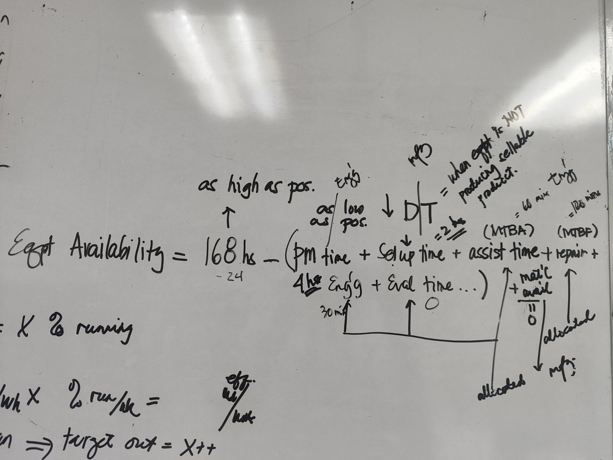
OPERATIONAL OBJECTIVES

 | PRIORITY | LESS PRIORITY
PRODUCTION
 | CHANGE OVER >>> AVE HOURS |  | KPI
 | CHANGE OVER >>> PLAN vs ACTUAL (FREQ ACTUAL AND PLAN TIME vs ACTUAL TIME) |  | KPI
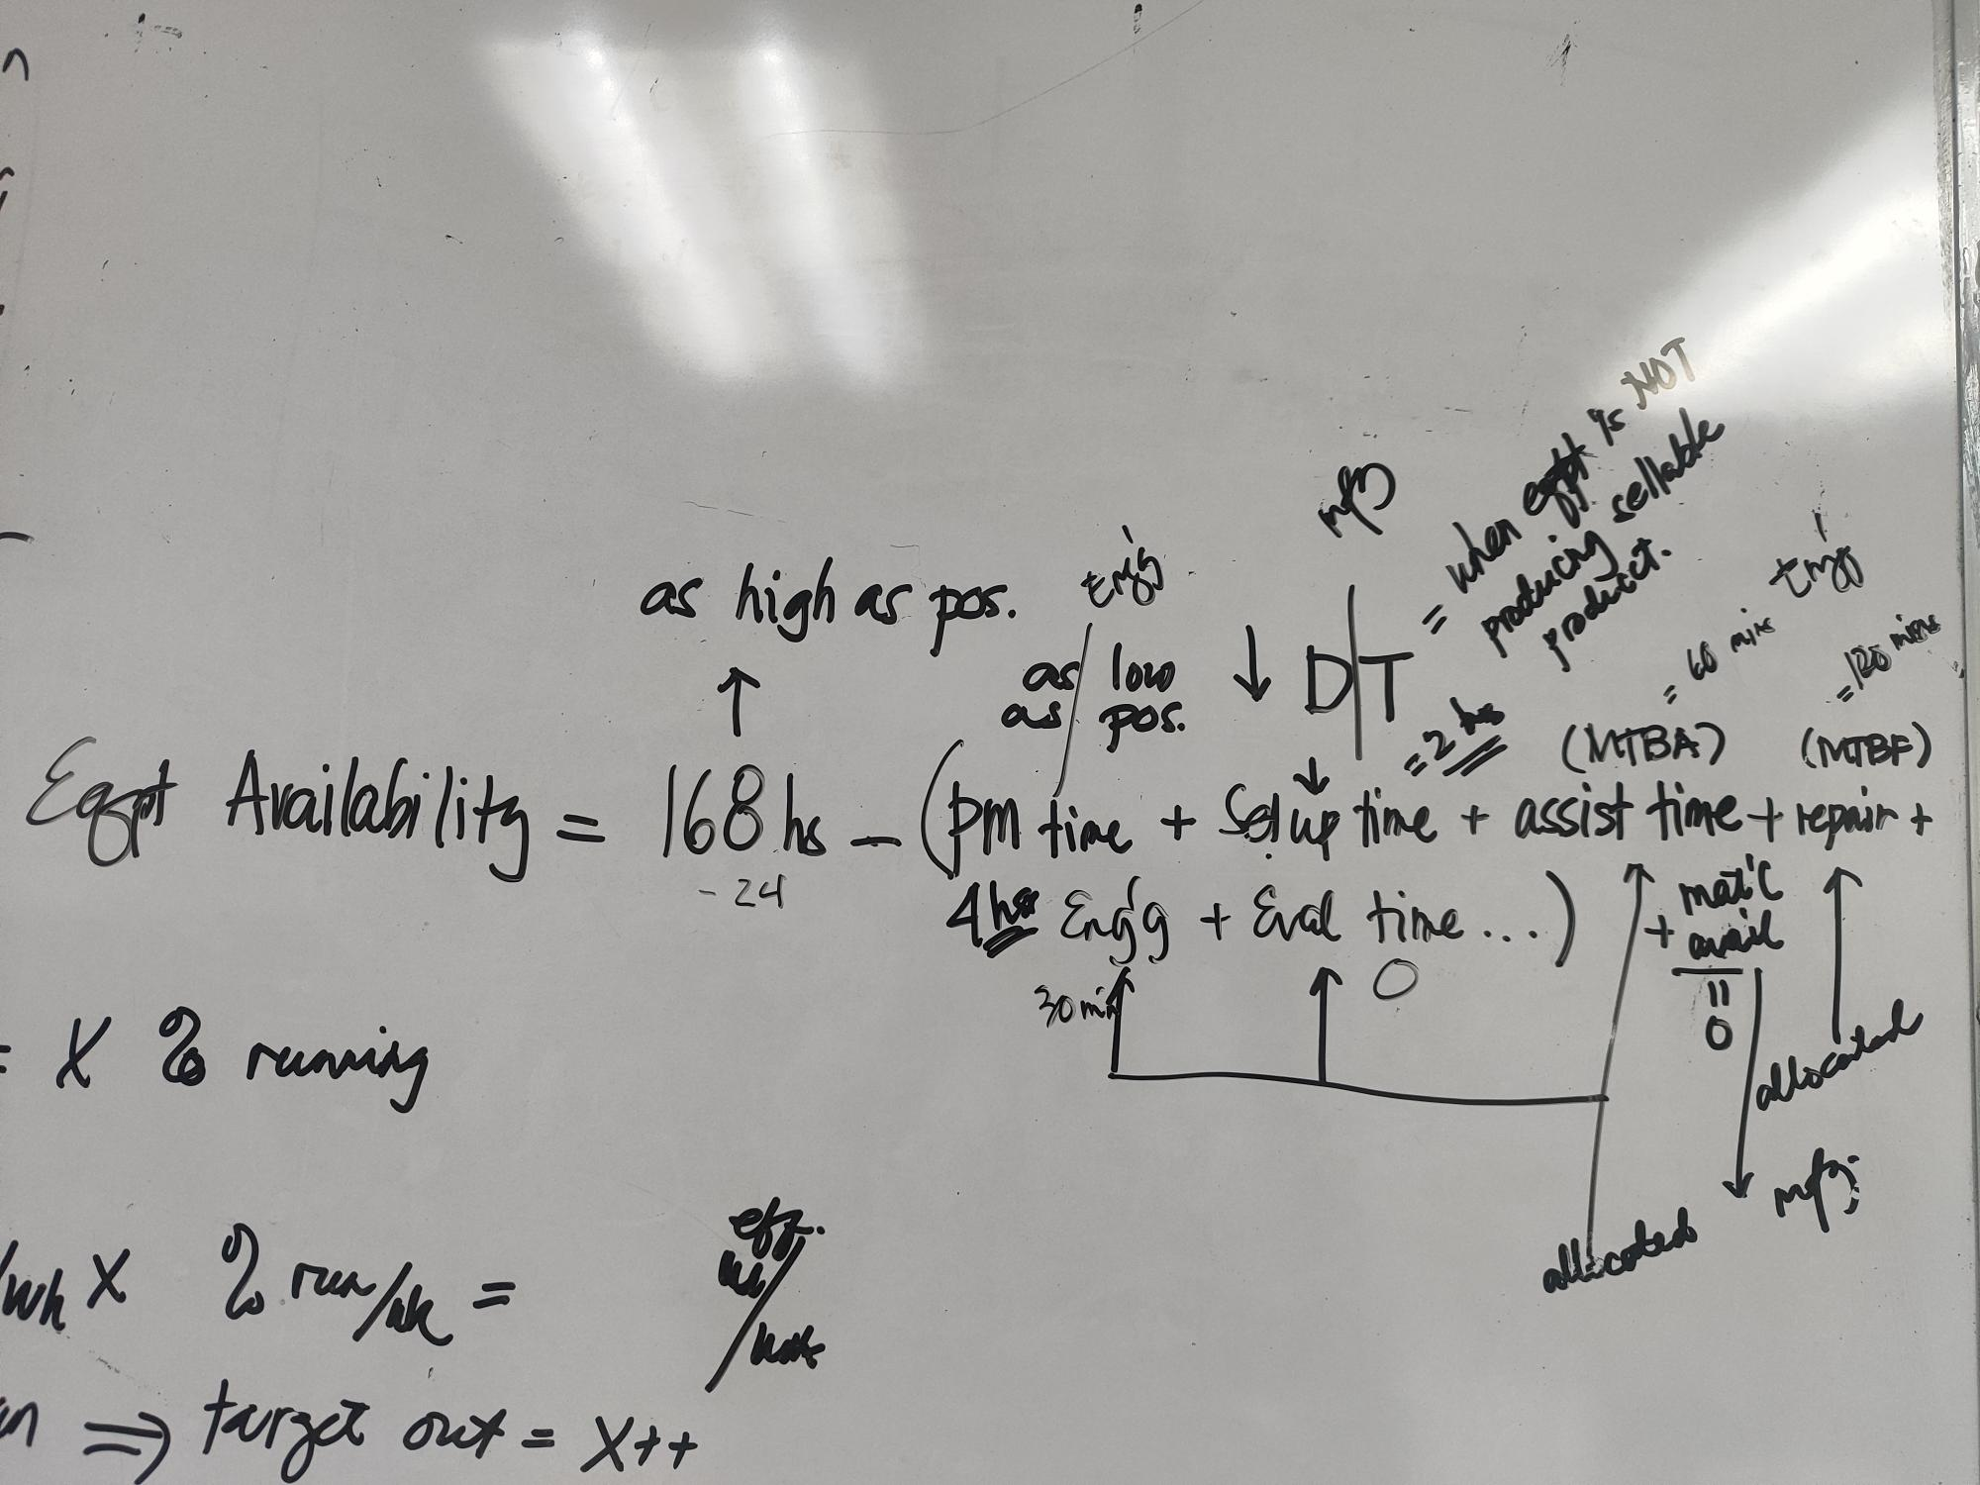
 | INTERNAL REJECTION |  | KPI | BONUS BACK FOR ALL HOLD IF NO REWORK / NO CONCESSION
 | WASTE (PROCESS INHERENT) |  | KPI | WASTE PERCENTAGE
 | Material Usage (Yield Rate) (BACKFLUSH + ADJUSMENT) |  | KPI
 | >>> MONITORING OF ADJUSMENT |  | MONITORING
 | OEE (PER LINE) | OEE (PER MACHINE) - PRODUCTIVE TIME/AVAILABILITY | KPI
 | ELOR (PER LINE) | EFFECTIVE LINE OPERATING RATE (PER MACHINE) | KPI | AVAILABILITY = LESS PLANNED DOWNTIME QUALITY = GOOD / OUTPUT (GOOD+REJECT) RATE = ACTUAL OUTPUT / THEORETICAL OUTPUT
 | ELUR (PER LINE) | EFFECTIVE LINE UTILIZATION RATE (PER MACHINE) | KPI | AVAILABILITY = 24 HOURS QUALITY = GOOD / OUTPUT (GOOD+REJECT) RATE = ACTUAL OUTPUT / THEORETICAL OUTPUT
 | COMPLIANCE TO SCHEDULE |  | KPI | WEEKLY COMPLIANCE - PRODUCTION ORDER (VOLUME IN KGS)

OVERALL
 |  | NUMBER OF REGULAR | MONITORING
 |  | NUMBER OF NON-REGULAR | MONITORING

 |  | CUSTOMER COMPLAINT | MONITORING | COMPLAINT OTHER THAN PRODUCT FEATURE
 |  | Hazard Identified | MONITORING
 |  | Safety Violation | MONITORING

 |  | Retention Rate | MONITORING | Current vs Plan

 |  | MANPOWER PLAN | MONITORING

ENGINEERING
 | FUEL | ACTUAL VS PLAN | KPI | WITH ALLOCATION PER BUILDING | Ms. Amor
 | WATER | ACTUAL VS PLAN | KPI | WITH ALLOCATION PER BUILDING | Ms. Amor
 | ELECTRICITY | ACTUAL VS PLAN | KPI | WITH ALLOCATION PER BUILDING | Ms. Amor
 | FACILITY MAINTENANCE | ACTUAL VS PLAN | KPI | WITH ALLOCATION PER BUILDING | Ms. Amor

PLANNING
 | DIO (based on P&L COGS)
 | LID
 |  | LRA WAREHOUSE | MONITORING
 |  | WAREHOUSE UTILIZATION | MONITORING
 |  | INVENTORY DISTRIBUTION | MONITORING | CORE/EMERGING/NTE/EXPIRED/FOR WRITE OFF
 |  | INVENTORY ACCURACY | MONITORING
 |  | FORECAST ACCURACY | MONITORING

WHSE | OTIF PER PESO VALUE |  | KPI | OTIF PER LINE ITEM
 | FILL RATE (SC FILLRATE) |  | KPI
 |  | FILL RATE (CORP FILLRATE) | MONITORING
 |  | FILL RATE (CORP FILLRATE) - CORE | MONITORING
 |  | FILL RATE (CORP FILLRATE) - EMERGING | MONITORING
 |  | BREAKDOWN OF NON-OTIF | MONITORING
 |  | STOCK OUTS | MONITORING
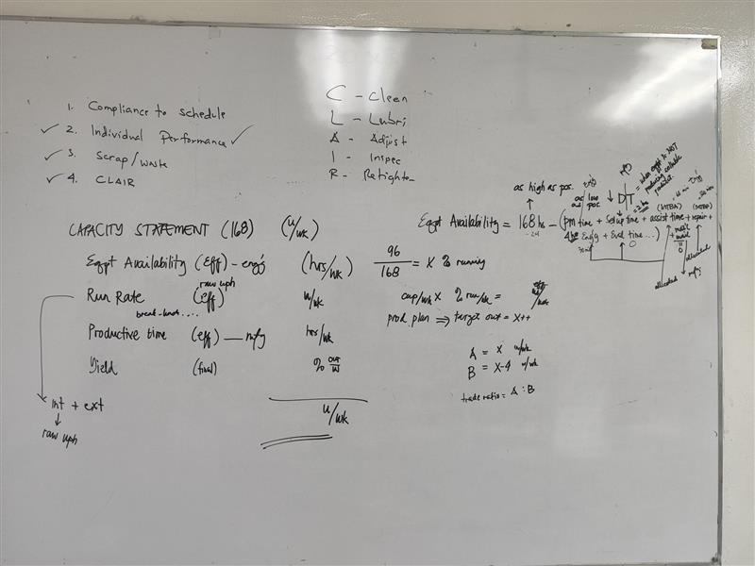
 |  | OTDL | MONITORING

 | FREIGHT COST - PER KILO |  | KPI
 |  | ISSUANCE TURNAROUND TIME (INBOUND) | MONITORING
 |  | RECEIVING TURNAROUND TIME | MONITORING
 |  | FREIGHT COST UTILIZATION IMPORTATION | MONITORING

PROC | SAVINGS |  | KPI
 | P.O CONFORMANCE |  | KPI
 |  | RM/PM PRICE ANALYSIS | MONITORING

